Reward means
Calculating Mean Metrics: | Plotting Mean Metrics:
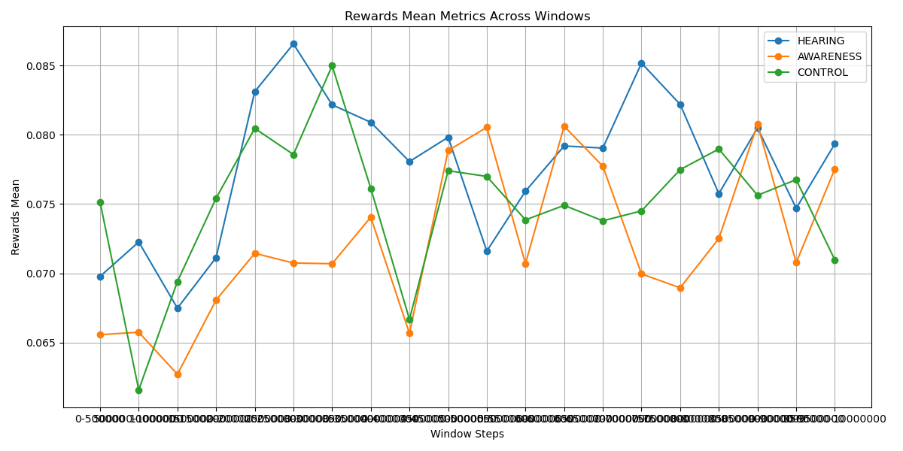
Window Mean Table:
HEARING AWARENESS CONTROL
0-500000 0.069780 0.065576 0.075145
500000-1000000 0.072264 0.065753 0.061591
1000000-1500000 0.067487 0.062717 0.069408
1500000-2000000 0.071137 0.068076 0.075420
2000000-2500000 0.083109 0.071447 0.080459
2500000-3000000 0.086558 0.070746 0.078575
3000000-3500000 0.082164 0.070695 0.084980
3500000-4000000 0.080898 0.074053 0.076134
4000000-4500000 0.078068 0.065674 0.066682
4500000-5000000 0.079819 0.078860 0.077407
5000000-5500000 0.071603 0.080538 0.076993
5500000-6000000 0.075928 0.070701 0.073857
6000000-6500000 0.079192 0.080614 0.074906
6500000-7000000 0.079039 0.077730 0.073789
7000000-7500000 0.085169 0.069956 0.074507
7500000-8000000 0.082190 0.068960 0.077484
8000000-8500000 0.075748 0.072512 0.078971
8500000-9000000 0.080503 0.080758 0.075632
9000000-9500000 0.074692 0.070770 0.076760
9500000-10000000 0.079348 0.077537 0.070966

Performing ANOVA test for Means:
ANOVA Results: F-statistic = 5.5429, P-value = 0.0063
There is a significant difference between groups.

Ranking Groups for Means:

Best Overall Group: HEARING with Points = 50 and Average Value = 0.0777

Reward slopes
Calculating Slope Metrics: | Plotting Mean Metrics:
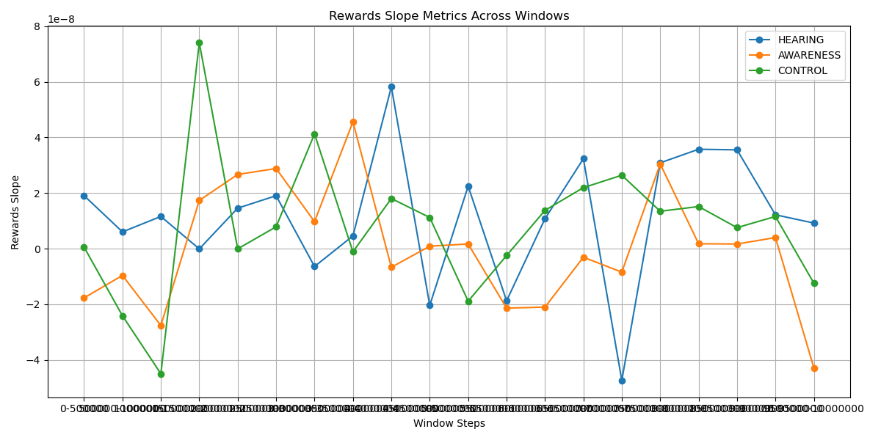
Window Slope Table:
HEARING AWARENESS CONTROL
0-500000 1.906715e-08 -1.772467e-08 5.585029e-10
500000-1000000 6.014688e-09 -9.659790e-09 -2.416461e-08
1000000-1500000 1.157207e-08 -2.767289e-08 -4.503937e-08
1500000-2000000 -1.172178e-10 1.732819e-08 7.406401e-08
2000000-2500000 1.455550e-08 2.668554e-08 -9.704827e-11
2500000-3000000 1.903316e-08 2.882277e-08 7.854884e-09
3000000-3500000 -6.443093e-09 9.712455e-09 4.127312e-08
3500000-4000000 4.574384e-09 4.560121e-08 -1.150387e-09
4000000-4500000 5.820336e-08 -6.712809e-09 1.802126e-08
4500000-5000000 -2.042781e-08 8.782173e-10 1.119132e-08
5000000-5500000 2.245627e-08 1.659350e-09 -1.891396e-08
5500000-6000000 -1.879123e-08 -2.141845e-08 -2.501727e-09
6000000-6500000 1.074419e-08 -2.104395e-08 1.376162e-08
6500000-7000000 3.236792e-08 -3.112109e-09 2.193829e-08
7000000-7500000 -4.742147e-08 -8.453289e-09 2.640857e-08
7500000-8000000 3.086724e-08 3.045071e-08 1.344040e-08
8000000-8500000 3.575525e-08 1.743188e-09 1.514108e-08
8500000-9000000 3.553308e-08 1.656220e-09 7.546641e-09
9000000-9500000 1.216422e-08 3.969771e-09 1.156877e-08
9500000-10000000 9.190135e-09 -4.291846e-08 -1.243769e-08

Performing ANOVA test for Slopes:
ANOVA Results: F-statistic = 1.1538, P-value = 0.3227
No significant difference between groups.

Ranking Groups for Slopes:

Best Overall Group: HEARING with Points = 47 and Average Value = 0.0000

ELO means
Calculating Mean Metrics: | Plotting Mean Metrics:
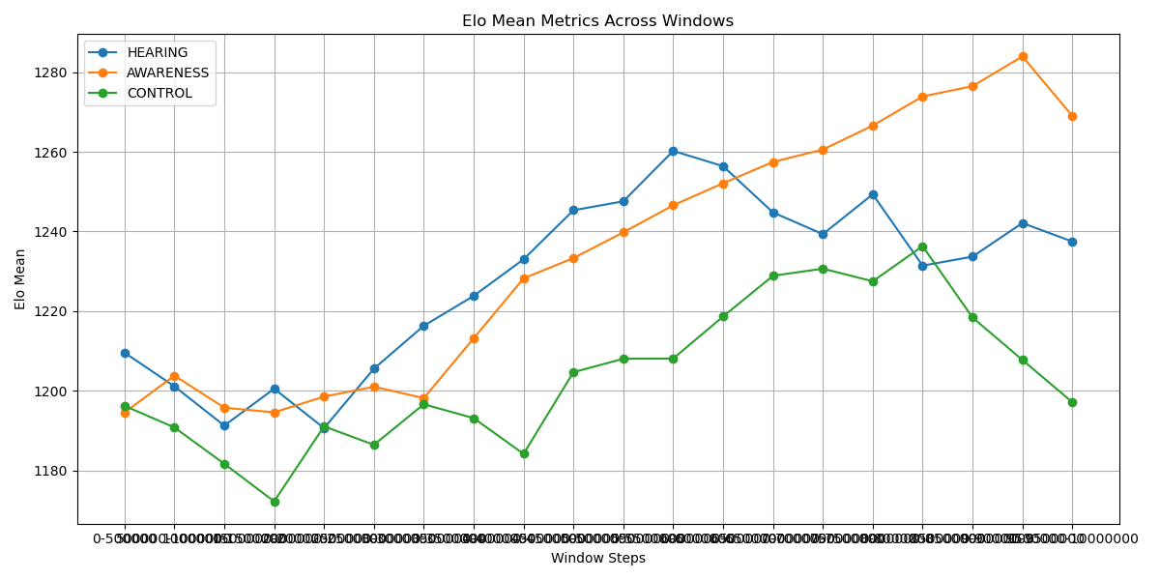
Window Mean Table:
HEARING AWARENESS CONTROL
0-500000 1209.578571 1194.536566 1196.222913
500000-1000000 1201.121040 1203.816575 1190.805303
1000000-1500000 1191.258042 1195.756011 1181.678340
1500000-2000000 1200.522185 1194.595945 1172.232280
2000000-2500000 1190.635317 1198.541255 1191.078181
2500000-3000000 1205.548303 1201.028254 1186.435864
3000000-3500000 1216.332549 1198.164551 1196.626096
3500000-4000000 1223.823486 1213.184856 1193.136697
4000000-4500000 1233.017195 1228.226484 1184.176416
4500000-5000000 1245.330247 1233.317019 1204.683403
5000000-5500000 1247.572612 1239.776255 1208.049333
5500000-6000000 1260.230796 1246.575962 1208.093872
6000000-6500000 1256.389536 1252.108704 1218.658606
6500000-7000000 1244.784788 1257.458684 1228.877590
7000000-7500000 1239.334397 1260.551948 1230.667749
7500000-8000000 1249.327029 1266.571101 1227.493845
8000000-8500000 1231.425518 1273.906550 1236.314221
8500000-9000000 1233.680776 1276.471929 1218.404697
9000000-9500000 1242.124211 1283.951953 1207.750132
9500000-10000000 1237.477647 1269.023257 1197.148921

Performing ANOVA test for Means:
ANOVA Results: F-statistic = 8.4616, P-value = 0.0006
There is a significant difference between groups.

Ranking Groups for Means:

Best Overall Group: AWARENESS with Points = 49 and Average Value = 1234.3782

ELO slopes
Calculating Slope Metrics: | Plotting Slope Metrics:
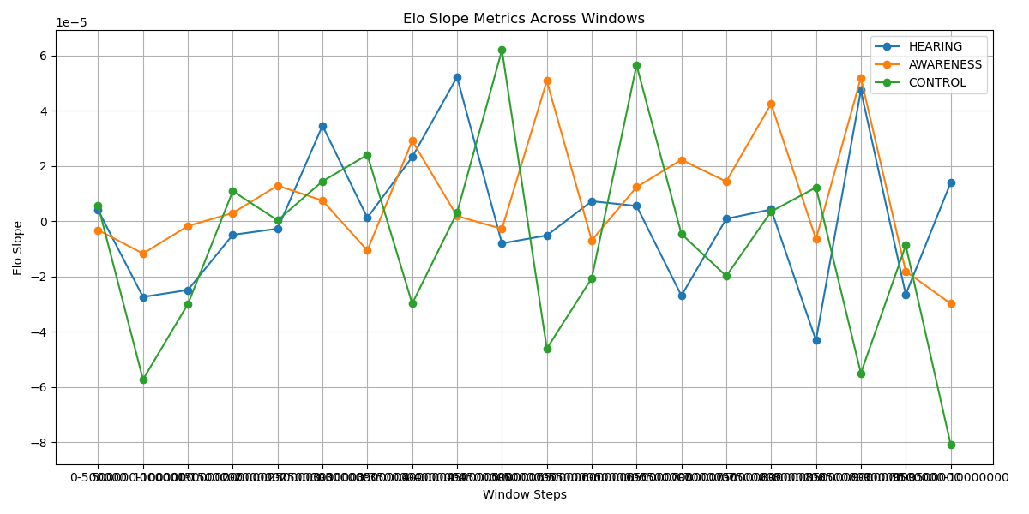
Window Slope Table:
HEARING AWARENESS CONTROL
0-500000 3.967138e-06 -0.000003 5.585096e-06
500000-1000000 -2.742296e-05 -0.000012 -5.724825e-05
1000000-1500000 -2.491558e-05 -0.000002 -3.001329e-05
1500000-2000000 -4.958370e-06 0.000003 1.082540e-05
2000000-2500000 -2.740513e-06 0.000013 2.770981e-07
2500000-3000000 3.452174e-05 0.000007 1.441913e-05
3000000-3500000 1.233256e-06 -0.000011 2.394059e-05
3500000-4000000 2.315599e-05 0.000029 -2.985189e-05
4000000-4500000 5.212222e-05 0.000002 3.011501e-06
4500000-5000000 -8.051468e-06 -0.000003 6.190910e-05
5000000-5500000 -5.175990e-06 0.000051 -4.608113e-05
5500000-6000000 7.187136e-06 -0.000007 -2.068746e-05
6000000-6500000 5.484928e-06 0.000012 5.644032e-05
6500000-7000000 -2.696597e-05 0.000022 -4.640505e-06
7000000-7500000 8.317836e-07 0.000014 -1.988246e-05
7500000-8000000 4.220300e-06 0.000042 3.469121e-06
8000000-8500000 -4.315906e-05 -0.000007 1.216539e-05
8500000-9000000 4.729969e-05 0.000052 -5.498574e-05
9000000-9500000 -2.651723e-05 -0.000018 -8.771599e-06
9500000-10000000 1.384839e-05 -0.000030 -8.076023e-05

Performing ANOVA test for Slopes:
ANOVA Results: F-statistic = 1.5867, P-value = 0.2135
No significant difference between groups.

Ranking Groups for Slopes:

Best Overall Group: AWARENESS with Points = 45 and Average Value = 0.0000

Entropy Means
Calculating Mean Metrics: | Plotting Mean Metrics:
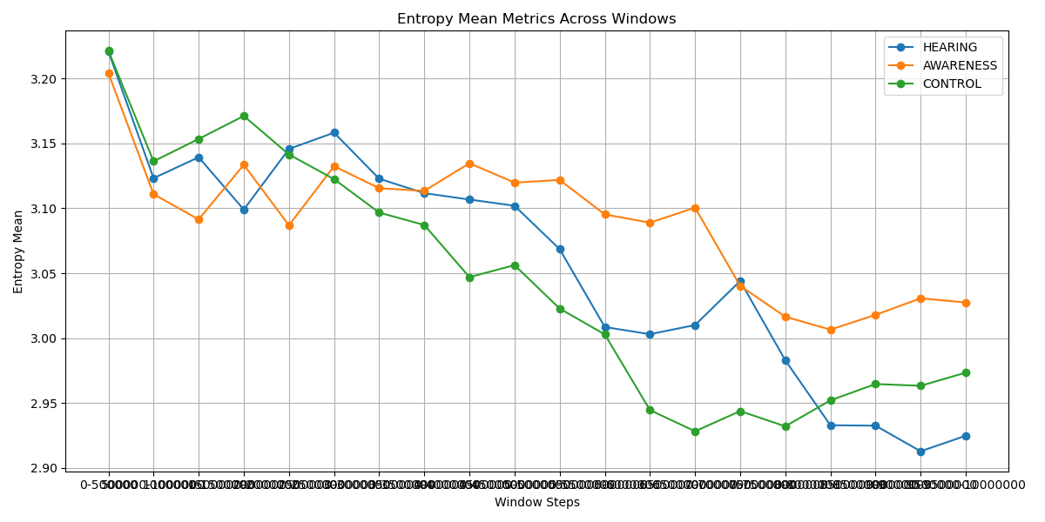
Window Mean Table:
HEARING AWARENESS CONTROL
0-500000 3.220849 3.204220 3.221368
500000-1000000 3.123193 3.110855 3.136205
1000000-1500000 3.139337 3.091433 3.153439
1500000-2000000 3.098996 3.133511 3.171128
2000000-2500000 3.145687 3.086869 3.141474
2500000-3000000 3.158274 3.132427 3.122465
3000000-3500000 3.122766 3.115484 3.096681
3500000-4000000 3.111636 3.113375 3.087130
4000000-4500000 3.106742 3.134710 3.046942
4500000-5000000 3.101950 3.119798 3.056199
5000000-5500000 3.068507 3.121823 3.022721
5500000-6000000 3.008526 3.095298 3.002835
6000000-6500000 3.002976 3.088917 2.944536
6500000-7000000 3.010043 3.100491 2.928188
7000000-7500000 3.043989 3.040253 2.943750
7500000-8000000 2.982897 3.016434 2.932000
8000000-8500000 2.932832 3.006513 2.952025
8500000-9000000 2.932503 3.017889 2.964595
9000000-9500000 2.912781 3.030653 2.963232
9500000-10000000 2.924757 3.027449 2.973387

Performing ANOVA test for Means:
ANOVA Results: F-statistic = 1.7616, P-value = 0.1810
No significant difference between groups.

Ranking Groups for Means:

Best Overall Group: CONTROL with Points = 47 and Average Value = 3.0430

Entropy slopes
Calculating Slope Metrics: | Plotting Slope Metrics:
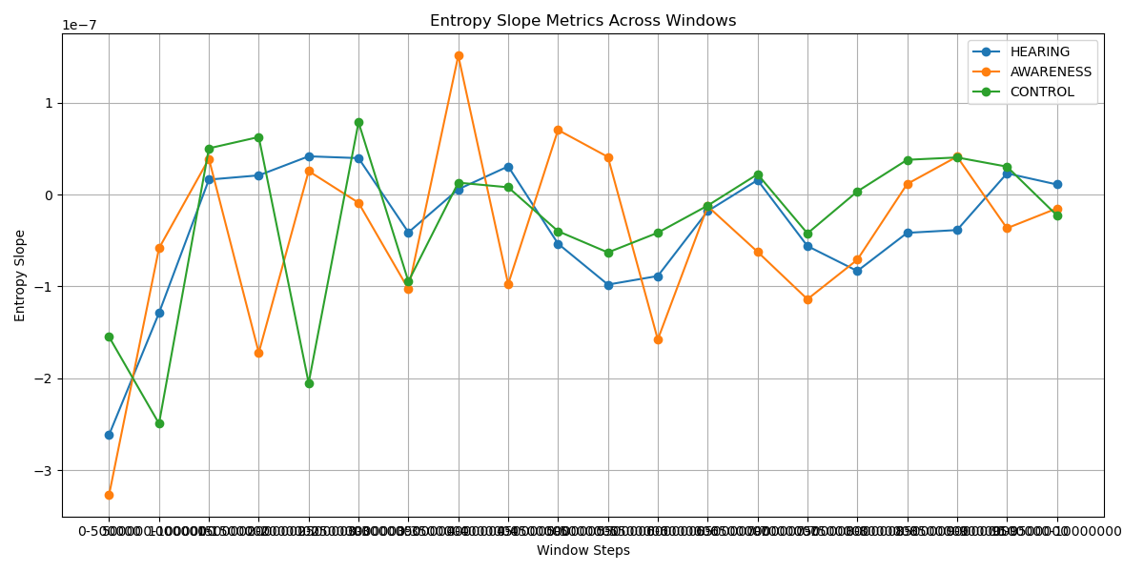
Window Slope Table:
HEARING AWARENESS CONTROL
0-500000 -2.613593e-07 -3.264975e-07 -1.550324e-07
500000-1000000 -1.289054e-07 -5.842002e-08 -2.493099e-07
1000000-1500000 1.626807e-08 3.894438e-08 5.031305e-08
1500000-2000000 2.087967e-08 -1.720859e-07 6.261088e-08
2000000-2500000 4.161363e-08 2.553938e-08 -2.050868e-07
2500000-3000000 3.964769e-08 -8.945758e-09 7.870058e-08
3000000-3500000 -4.117400e-08 -1.028891e-07 -9.459427e-08
3500000-4000000 5.719568e-09 1.512033e-07 1.294187e-08
4000000-4500000 3.064109e-08 -9.753050e-08 7.897569e-09
4500000-5000000 -5.351351e-08 7.028607e-08 -3.992586e-08
5000000-5500000 -9.800392e-08 4.093510e-08 -6.303597e-08
5500000-6000000 -8.868202e-08 -1.577779e-07 -4.154579e-08
6000000-6500000 -1.801592e-08 -1.280170e-08 -1.201753e-08
6500000-7000000 1.572420e-08 -6.233635e-08 2.209925e-08
7000000-7500000 -5.607133e-08 -1.139257e-07 -4.229875e-08
7500000-8000000 -8.323214e-08 -7.096705e-08 3.366304e-09
8000000-8500000 -4.167699e-08 1.154460e-08 3.782393e-08
8500000-9000000 -3.863632e-08 4.125244e-08 4.037680e-08
9000000-9500000 2.306971e-08 -3.666357e-08 3.038001e-08
9500000-10000000 1.097607e-08 -1.509931e-08 -2.259541e-08

Performing ANOVA test for Slopes:
ANOVA Results: F-statistic = 0.1209, P-value = 0.8863
No significant difference between groups.

Ranking Groups for Slopes:

Best Overall Group: AWARENESS with Points = 44 and Average Value = -0.0000

